calc 6x7 100mm
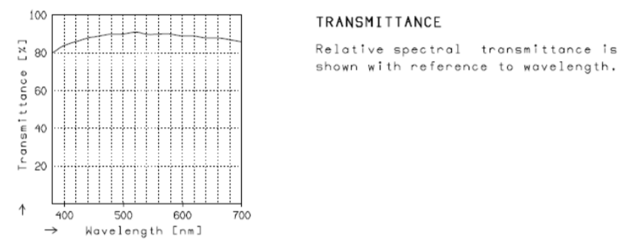
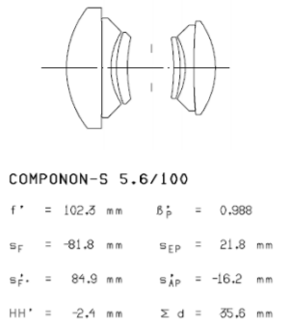
Lens Information

Schneider Componon-S 5.6/100 Macro Lens
Enlarger lens iris mount BLV-L
Part number: 14022
Iris: 5-blade
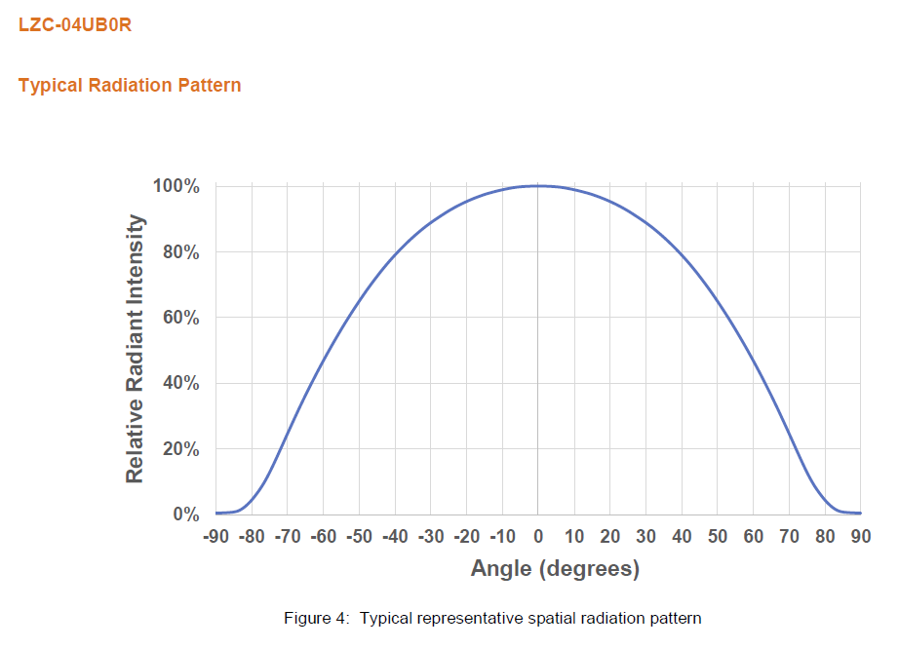
Focal length: 102.3mm
Image circle: 108mm
Filter threads: M43 x 0.75
Mounting threads: Leica-Mount, M39 x 26tpi

Calculation Parameters | symbol | value | unit | remark
Focal length |  | 102.34 | mm | Schneider Kreuznach Componon-S 100/5.6 = 102,3mm
Image circle |  | 108.00 | mm | at infinity
Negative width |  | 69.20 | mm | 6x7
Negative height |  | 56.00 | mm
Negative diagonal |  | 89.02 | mm | required image circle
Short side of of the print |  | 280.00 | mm
Focal length of the converging lens |  | 175.00 | mm
Film plane to converging lens |  | 59.53 | mm | important for construction of the negative carrier

Find Image distance
Object distance | u | 900 | mm | For Schneider Kreuznach Componon-S 100/5.6 = 613,8mm. For 135mm lens = 810mm
Image distance | v | 115.47 | mm | This is the distance from the exit pupil to the negative

Magnification Formula
M=v/u | M | 0.128 |  | Equals 8x

Object height
Short side of of the print |  | 436.48 | mm | Change E31 (green) with solver to match E38 to desired print dimension (yellow)

Dimensions of the converging lens |  |  |  | The converging lens's focal distance needs to be larger than the image distance, so that it sit above the negative and still focus light on the exit pupil of the enlarger lens.
(bottom lens of the condensor system)
converging lens radius |  | 67.46
converging lens diameter |  | 134.91 |  | minimum effective diameter of converging fresnel lens needed at given negative size, enlarging lens focal length, and magnification.
converging lens width |  | 104.88 |  | minimum dimensions of converging fresnel lens needed at given negative size, enlarging lens focal length, and magnification.
converging lens height |  | 84.87

Dimensions of the collimating lens
(top lens of the condensor system)
collimating lens diameter |  | 134.91 |  | equal to the converging lens diameter, to ensure that the converging lens is fully illuminated

Focal length collimating lens
radius angle led-to-lens |  | 40 | deg | Half-angle that yields acceptable light fall-off at the edges. Consider the specifications of the LED found in the data sheet.
focal length |  | 104.94 | mm | The focal lenght at which the edges of the collimating lens are illuminated at the given angle (E52)

